Shared Instructions
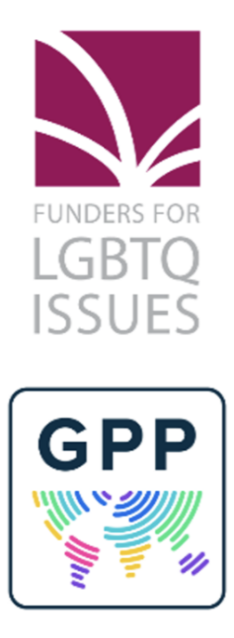 | Data Submission Process: LGBTQ Grants Awarded in Calendar Year 2025
 | Thank you for submitting your institution's LGBTQ grants data to Funders for LGBTQ Issues for inclusion in the next iteration of our annual Resource Tracking Report! For more information about this project, past reports, and data security practices, please see our website: https://lgbtfunders.org/research/ Please note that relevant grant data submitted through this spreadsheet will be shared with the Global Philanthropy Project (GPP) and/or Funders Concerned About AIDS (FCAA) according to our long-standing secure data sharing practices. International LGBTQ grant data will be shared with GPP and HIV/AIDS-specific grants will be shared with FCAA for inclusion in their respective resource tracking reports. If you have any questions or concerns about this, please contact the Research Team at research@lgbtfunders.org. Thank you so much for your partnership!
 | Guidance for US-based foundations that awarded LGBTQ grants in the US: Funders for LGBTQ Issues kindly requests that foundations based in the US submit grant-level data for grants awarded in calendar year 2025 that supported LGBTQ communities and issues in the United States. Please send your completed data submission spreadsheet to research@lgbtfunders.org by October 31, 2026. Guidance for those who awarded LGBTQ grants focused outside of the US: Funders for LGBTQ Issues and Global Philanthropy Project are jointly asking US-based foundations to share grant-level data in the "Non-US Grantmaking" sheet for inclusion in the next Global Resources Report, which will cover grants from calendar years 2025 and 2026. GPP will open their official call for data in 2027, so Funders for LGBTQ Issues will collect non-US grant data this year on behalf of GPP.
 | HOW TO USE THIS SUBMISSION TEMPLATE: This grant data submission template includes multiple sheets, and we are requesting that foundations report both US-focused grantmaking and grantmaking that is international and/or focused outside of the US ("Non-US Grantmaking") in separate sheets. 1) Please provide information about the grantmaker disbursing the funding in the sheet called "Funder Information." All grantmakers must complete this sheet. 2) The next sheet is for "US-focused grantmaking," which includes grants that were awarded for LGBTQ-related work exclusively inside of the United States during calendar year 2025. Funders for LGBTQ Issues' definition of the United States includes the following US territories: Guam, US Virgin Islands, Puerto Rico, Northern Mariana Islands, and American Samoa. If your grantmaking was focused exclusively within the US in 2025, you will only complete the Funder Information and US-focused Grantmaking sheets. If you have any questions about this process, please contact the Funders for LGBTQ Issues Research Team at research@lgbtfunders.org. 3) There is another sheet for "Non-US Grantmaking," which includes grants that were given for LGBTQ-related work focused internationally and/or exclusively or partially outside of the US. If your grantmaking is focused exclusively internationally and/or outside of the US, you will only complete the Funder Information and Non-US Grantmaking sheets. If you have any questions about this process, please contact GPP at research@globalphilanthropyproject.org Detailed explanations for how to complete each of the grantmaking sheets can be found in their accompanying "Reporting Instructions" sheet.

 | NEW THIS YEAR: We are including a set of simple survey questions in the Funder Information tab, columns Q-R. These simple survey questions aim to develop insight into LGBTQ funding strategies and complications for calendar year 2027. Further instructions are included in the column Q header.
 | Thank you so much for sharing your data as completely and accurately as possible, which in turn supports the accuracy of our reporting. If you have questions about how to complete this template or would like to discuss your submission, please let us know!

